grain size analysis
before the flood (2010)
after the flood (2010)
mean
percent passing(%)
particle size (mm)
* grain-size distribution of bed material (2010) _ Grab sampler(60L)
particle size time | D35(mm) | D50(mm) | D65(mm) | D90(mm) | 균등계수 Coefficient of uniformity (Cu) | 곡률계수 Coefficient of curvature (Cg)
평군 (mean) | 0.60 | 0.75 | 3.22 | 1.15 | 2.48 | 1.03

before the flood (2011)
after the flood (2011)
mean
percent passing(%)
particle size (mm)
* grain-size distribution of bed material (2011) _ grid sampling(Hack_1947)
particle size time | D35(mm) | D50(mm) | D65(mm) | D90(mm) | 균등계수 Coefficient of uniformity (Cu) | 곡률계수 Coefficient of curvature (Cg)
평군 (mean) | 0.42 | 0.57 | 0.78 | 1.11 | 3.83 | 1.05

* grain-size distribution of bed material (2012) _ grid sampling(Hack_1947)

* particle size distribution of suspended sediment (2012) |  |  |  |  |  |  |  |  |  | * grain-size distribution of bed material (2012)

No | particle size distribution of suspended sediment (%) |  |  |  |  |  |  |  |  | particle size time | D10 | D30 | D35 | D60 | D65 | 균등계수 Coefficient of uniformity (Cu) | 곡률계수 Coefficient of curvature (Cg)
 | range (mm) |  |  |  |  |  |  |  | sum | 홍수전 (before the flood) | 0.15 | 0.24 | 0.27 | 0.42 | 0.46 | 1.76 | 0.94
 | 0.0020~ | 0.0222~ | 0.0313~ | 0.0423~ | 0.0626~ | 0.1251~ | 0.2501~ | 0.5001~ |  | 홍수후(after the flood ) | 0.13 | 0.18 | 0.19 | 0.24 | 0.26 | 1.35 | 1.00
 | 0.0221 | 0.0312 | 0.0422 | 0.0625 | 0.125 | 0.25 | 0.5 | 1 |  | 평균 (mean) | 0.14 | 0.20 | 0.21 | 0.33 | 0.37 | 1.67 | 0.87
1 | 65.9 | 4.7 | 13.6 | 5.8 | 10 | 0 | 0 | 0 | 100 | particle size time | D5 | D10 | D15 | D20 | D25 | D30 | D35 | D40 | D45 | D50 | D55 | D60 | D65 | D70 | D75 | D80 | D85 | D90 | D95 | D100
2 | 43 | 24.7 | 25.5 | 3.8 | 1.2 | 0.9 | 0.8 | 0.1 | 100 | 홍수전 (before the flood) | 0.11 | 0.15 | 0.17 | 0.20 | 0.22 | 0.24 | 0.27 | 0.31 | 0.34 | 0.37 | 0.40 | 0.42 | 0.46 | 0.50 | 0.58 | 0.66 | 0.76 | 0.85 | 1.07 | 16.00
3 | 47.5 | 17.3 | 23 | 7.9 | 3.8 | 0.3 | 0.1 | 0.1 | 100 | 홍수후 (after the flood ) | 0.12 | 0.13 | 0.15 | 0.16 | 0.17 | 0.18 | 0.19 | 0.20 | 0.21 | 0.22 | 0.23 | 0.24 | 0.26 | 0.29 | 0.32 | 0.36 | 0.40 | 0.44 | 0.49 | 16.00
4 | 47.2 | 16.9 | 26 | 7.4 | 2.5 | 0 | 0 | 0 | 100 | 평균 (mean) | 0.12 | 0.14 | 0.15 | 0.17 | 0.19 | 0.20 | 0.21 | 0.23 | 0.24 | 0.27 | 0.30 | 0.33 | 0.37 | 0.40 | 0.43 | 0.47 | 0.55 | 0.68 | 0.87 | 16.00
5 | 47.9 | 14.9 | 23.2 | 8 | 4.4 | 1.1 | 0.3 | 0.2 | 100
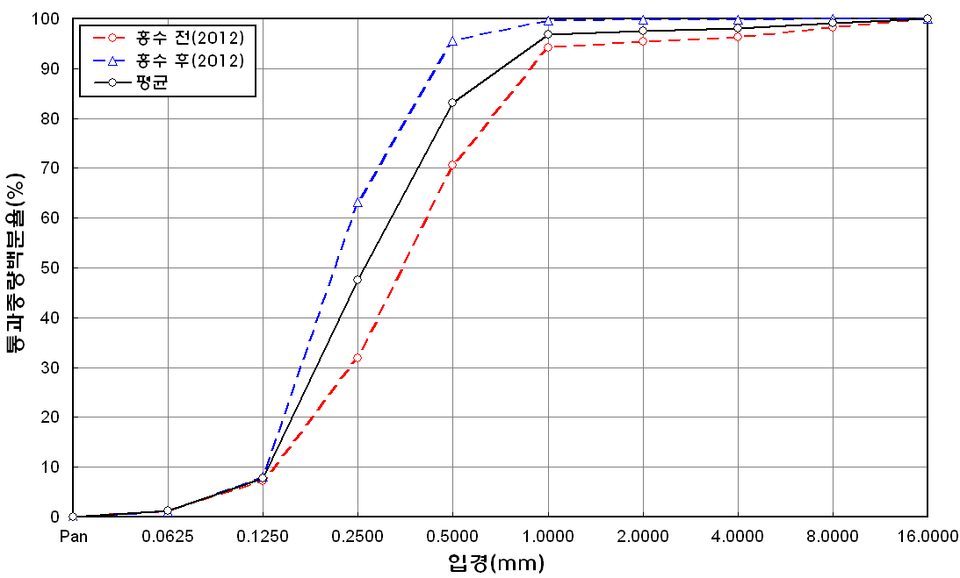
before the flood (2012)
after the flood (2012)
mean
percent passing(%)
particle size (mm)
6 | 54.7 | 17.2 | 19.8 | 7.1 | 0.3 | 0.3 | 0.5 | 0.1 | 100
7 | 44 | 15 | 21 | 10.2 | 8 | 1.3 | 0.3 | 0.2 | 100
8 | 44.7 | 11.8 | 22.9 | 8 | 11.3 | 1.3 | 0 | 0 | 100
9 | 53.8 | 9.1 | 15.3 | 13.8 | 6 | 1.6 | 0.2 | 0.2 | 100
10 | 56.5 | 12.1 | 18.2 | 7.5 | 3.2 | 1 | 1.3 | 0.2 | 100
11 | 43.9 | 12 | 20.1 | 14.4 | 5.6 | 2.5 | 0.7 | 0.8 | 100
12 | 45.9 | 11.9 | 20.7 | 10.2 | 8.5 | 1.5 | 1 | 0.3 | 100
13 | 51.5 | 14.5 | 19.4 | 8.7 | 4.3 | 1.6 | 0 | 0 | 100
14 | 49.7 | 14.8 | 17.3 | 6.8 | 5.3 | 3.6 | 1.5 | 1 | 100
15 | 51.3 | 20.7 | 19.1 | 5.2 | 2.9 | 0.5 | 0.3 | 0 | 100
16 | 50.9 | 14.1 | 20.3 | 8.1 | 5.3 | 0.3 | 0.7 | 0.3 | 100
17 | 55.8 | 11.7 | 19.1 | 6.7 | 5.7 | 0.7 | 0.3 | 0 | 100
18 | 54.4 | 13.6 | 13.4 | 8.7 | 6.6 | 2.9 | 0.4 | 0 | 100
19 | 48.7 | 15.6 | 17.8 | 7.5 | 6.7 | 2.3 | 1.2 | 0.2 | 100
20 | 54 | 13.9 | 16.9 | 7.7 | 4.9 | 1.3 | 1.1 | 0.2 | 100
min | 43 | 4.7 | 13.4 | 3.8 | 0.3 | 0 | 0 | 0 | -
max | 65.9 | 24.7 | 26 | 14.4 | 11.3 | 3.6 | 1.5 | 1 | -
mean | 50.6 | 14.3 | 19.6 | 8.2 | 5.3 | 1.3 | 0.5 | 0.2 | 100

* grain-size distribution of bed material (2013) _ grid sampling(Hack_1947)

* particle size distribution of suspended sediment (2013)_Laser Diffraction |  |  |  |  |  |  |  |  |  | * grain-size distribution of bed material (2013)_Sieve

No | particle size distribution of suspended sediment (%) |  |  |  |  |  |  |  |  | particle size time | D10 | D30 | D35 | D60 | D65 | 균등계수 Coefficient of uniformity (Cu) | 곡률계수 Coefficient of curvature (Cg)
 | range (mm) |  |  |  |  |  |  |  |  | 홍수전 (before the flood) | 0.08 | 0.18 | 0.20 | 0.43 | 0.49 | 5.67 | 0.98
 | 0.0020~ | 0.063~ | 0.126~ | 0.26~ | 0.51~ | 1.1~ | 2.1~ | 4.1~ |  | 홍수후(after the flood ) | 0.10 | 0.16 | 0.18 | 0.25 | 0.29 | 2.35 | 1.01
 | 0.062 | 0.125 | 0.25 | 0.5 | 1 | 2 | 4 | 8 |  | 평균 (mean) | 0.09 | 0.17 | 0.19 | 0.34 | 0.39 | 4.01 | 1.00
1 | 83.34 | 8.66 | 3.06 | 0.71 | 0.09 | 0 | 0 | 0 |  | particle size time | D5 | D10 | D15 | D20 | D25 | D30 | D35 | D40 | D45 | D50 | D55 | D60 | D65 | D70 | D75 | D80 | D85 | D90 | D95 | D100
2 | 79.63 | 12 | 4.15 | 0.79 | 0.12 | 0 | 0 | 0 |  | 홍수전 (before the flood) | 0.04 | 0.08 | 0.11 | 0.13 | 0.16 | 0.18 | 0.20 | 0.22 | 0.24 | 0.30 | 0.36 | 0.43 | 0.49 | 0.81 | 1.85 | 3.45 | 5.75 | 8.44 | 12.36 | 16.00
3 | 81.11 | 11.05 | 3.66 | 0.46 | 0.03 | 0 | 0 | 0 |  | 홍수후 (after the flood ) | 0.05 | 0.10 | 0.06 | 0.13 | 0.15 | 0.16 | 0.18 | 0.19 | 0.20 | 0.22 | 0.23 | 0.25 | 0.29 | 0.33 | 0.38 | 0.43 | 0.82 | 2.84 | 6.91 | 16.00
4 | 82.8 | 9.45 | 2.94 | 0.46 | 0.04 | 0.03 | 0.01 | 0 |  | 평균 (mean) | 0.04 | 0.09 | 0.08 | 0.13 | 0.15 | 0.17 | 0.19 | 0.21 | 0.22 | 0.26 | 0.30 | 0.34 | 0.39 | 0.57 | 1.12 | 1.94 | 3.28 | 5.64 | 9.64 | 16.00
5 | 75.09 | 18.89 | 5.1 | 0.07 | 0 | 0 | 0 | 0
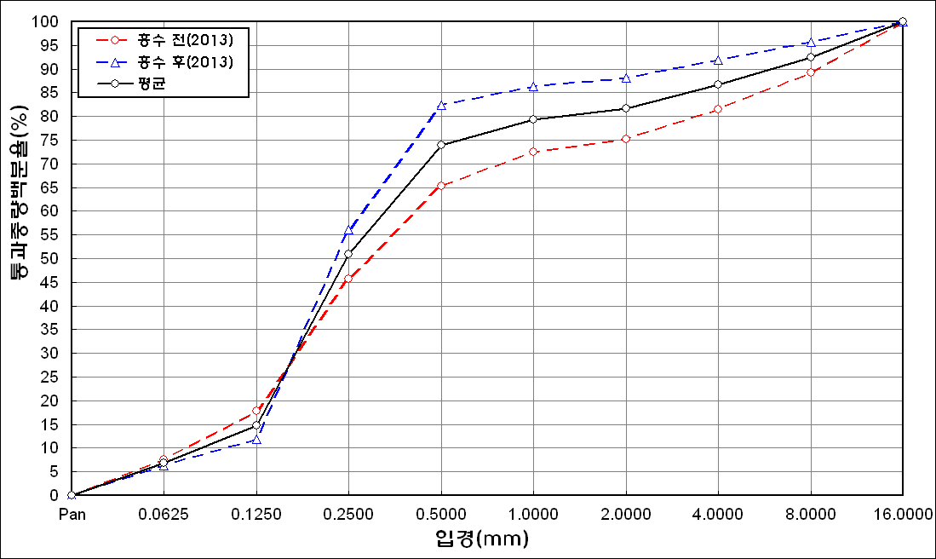
before the flood (2013)
after the flood (2013)
mean
percent passing(%)
particle size (mm)
6 | 79.15 | 13.39 | 5.95 | 0.44 | 0 | 0 | 0 | 0
7 | 84.14 | 10.72 | 3.51 | 0.18 | 0 | 0 | 0 | 0
8 | 70.28 | 5.47 | 4.77 | 1.54 | 1.24 | 9.58 | 5.68 | 0
9 | 71.99 | 16.91 | 4.18 | 0.66 | 0.27 | 3.13 | 2.02 | 0
10 | 82.06 | 13.15 | 1.78 | 0.12 | 0.03 | 0.58 | 0.4 | 0
11 | 83.23 | 10.53 | 3.81 | 0.33 | 0 | 0 | 0 | 0
12 | 81.31 | 13.18 | 3.55 | 0.41 | 0 | 0 | 0 | 0
13 | 83.8 | 11.01 | 2.56 | 0.34 | 0 | 0 | 0 | 0
14 | 82.35 | 12.24 | 2.69 | 0.1 | 0.14 | 0.58 | 0.23 | 0
15 | 83.26 | 11.86 | 2.79 | 0.33 | 0 | 0 | 0 | 0
mean | 80.24 | 11.9 | 3.63 | 0.46 | 0.13 | 0.93 | 0.56 | 0

* grain-size distribution of bed material (2014) _ grid sampling(Hack_1947)

* particle size distribution of suspended sediment (2014)_Laser Diffraction
 |  |  |  |  |  |  |  |  |  | * grain-size distribution of bed material (2014)_Sieve
No | particle size distribution of suspended sediment (%)
 | range (mm) |  |  |  |  |  |  |  |  | particle size time | D10 | D30 | D35 | D60 | D65 | 균등계수 Coefficient of uniformity (Cu) | 곡률계수 Coefficient of curvature (Cg)
 | 0.0020~ | 0.063~ | 0.126~ | 0.26~ | 0.51~ | 1.1~ | 2.1~ | 4.1~ |  | 홍수전 (before the flood) | 0.06 | 0.23 | 0.24 | 0.77 | 0.98 | 12.83 | 1.15
 | 0.062 | 0.125 | 0.25 | 0.5 | 1 | 2 | 4 | 8 |  | 홍수후(after the flood ) | 0.13 | 0.25 | 0.29 | 0.46 | 0.49 | 3.54 | 1.05
1 | 73.45 | 16.64 | 7.74 | 0.24 | 0 | 0 | 0 | 0 |  | 평균 (mean) | 0.10 | 0.24 | 0.27 | 0.62 | 0.74 | 6.47 | 0.99
2 | 70.79 | 16.45 | 8.39 | 2.65 | 0.25 | 0.2 | 0.1 | 0 |  | particle size time | D5 | D10 | D15 | D20 | D25 | D30 | D35 | D40 | D45 | D50 | D55 | D60 | D65 | D70 | D75 | D80 | D85 | D90 | D95 | D100
3 | 73.49 | 16.45 | 5.89 | 1.13 | 0.21 | 0.74 | 0.69 | 0 |  | 홍수전 (before the flood) | 0.03 | 0.06 | 0.15 | 0.18 | 0.19 | 0.23 | 0.24 | 0.30 | 0.38 | 0.45 | 0.57 | 0.77 | 0.98 | 1.11 | 2.40 | 4.80 | 8.80 | 13.60 | 17.50 | 45.00
4 | 76.12 | 17.13 | 4.96 | 0.81 | 0.61 | 0.15 | 0 | 0 |  | 홍수후 (after the flood ) | 0.06 | 0.13 | 0.16 | 0.19 | 0.22 | 0.25 | 0.29 | 0.32 | 0.35 | 0.39 | 0.43 | 0.46 | 0.49 | 0.65 | 0.85 | 1.05 | 1.25 | 3.26 | 9.93 | 19.00
5 | 83.4 | 10.23 | 3.71 | 1.03 | 0.07 | 0 | 0 | 0 |  | 평균 (mean) | 0.05 | 0.10 | 0.16 | 0.19 | 0.21 | 0.24 | 0.27 | 0.31 | 0.37 | 0.42 | 0.50 | 0.62 | 0.74 | 0.88 | 1.63 | 2.93 | 5.03 | 8.43 | 13.72 | 32.00
6 | 86.14 | 7.2 | 3.18 | 0.49 | 0 | 0 | 0 | 0
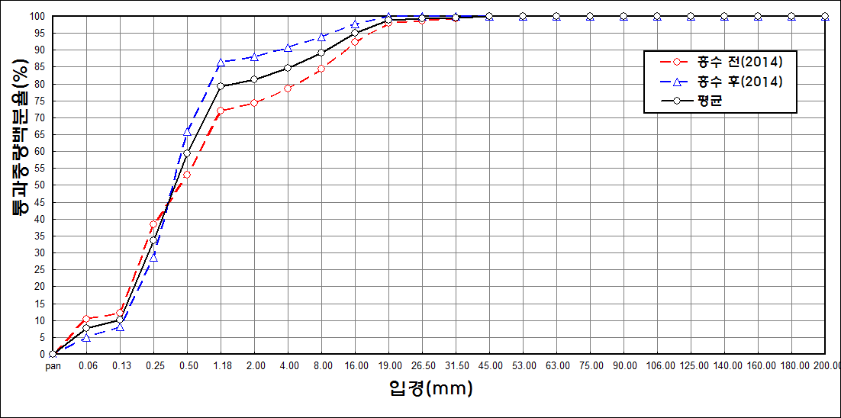
before the flood (2014)
after the flood (2014)
mean
percent passing(%)
particle size (mm)
7 | 84.71 | 9.74 | 2.91 | 0.25 | 0.01 | 0 | 0 | 0
8 | 88.18 | 6.71 | 2.27 | 0.25 | 0 | 0 | 0 | 0
9 | 89.04 | 5.86 | 2.24 | 0.53 | 0.08 | 0 | 0 | 0
10 | 78.04 | 13.6 | 5.25 | 1.41 | 0.07 | 0 | 0 | 0
11 | 78.94 | 12.18 | 5.3 | 1.78 | 0.06 | 0 | 0 | 0
12 | 80.23 | 12.28 | 4.96 | 0.78 | 0 | 0 | 0 | 0
13 | 79.2 | 12.49 | 4.96 | 1.6 | 0.07 | 0 | 0 | 0
14 | 79.29 | 11.9 | 5.6 | 1.32 | 0.03 | 0 | 0 | 0
15 | 78.55 | 13.16 | 5.04 | 1.49 | 0.02 | 0 | 0 | 0
16 | 78.95 | 12.52 | 5.17 | 1.39 | 0.17 | 0 | 0 | 0
17 | 79.25 | 11.52 | 5.52 | 1.15 | 0.03 | 0 | 0 | 0
18 | 81.33 | 10.23 | 3.57 | 1.41 | 0.65 | 0.05 | 0 | 0
19 | 80.91 | 10.47 | 4.62 | 1.27 | 0.24 | 0.02 | 0 | 0
20 | 85.02 | 8.45 | 3.19 | 0.5 | 0 | 0 | 0 | 0
21 | 82.55 | 9.59 | 3.9 | 1.01 | 0.06 | 0 | 0 | 0
22 | 80.96 | 10.85 | 4.58 | 0.85 | 0.02 | 0 | 0 | 0
23 | 81.75 | 10.38 | 4.12 | 0.51 | 0 | 0 | 0 | 0
24 | 85.83 | 7.58 | 2.14 | 0.03 | 0 | 0 | 0 | 0
mean | 79.97 | 12.13 | 4.83 | 1.05 | 0.1 | 0.07 | 0.05 | 0

